Instructions
Clinician Instructions
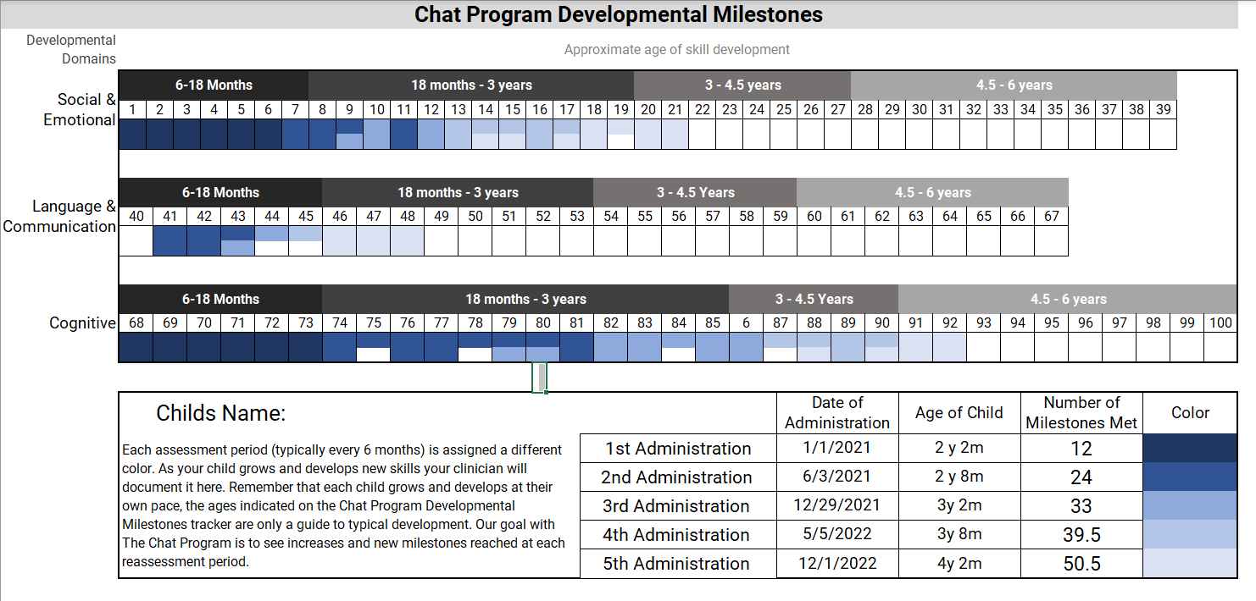

Milestone Box

Client Demographic Information

How to Complete the Chat Developmental Milestones Tracker
Step | 1 | Click on the milestone box you wish to fill out - you will be prompted for a pasword to edit it - PASSWORD: edit
Step | 2 | For the first administration or initial assessment type "1" into each box representing a completed milestone for the child. You may select half of the box to represent a sometimes milestone and the whole box for an always milestone. Please note, you will need to type "1" into each half of the box to completely fill it in.
 |  |  | For each consecutive administration you will type the corisponding number into the box you wish to complete for adminstrations 1-5. (i.e. for administration #3, type "3".

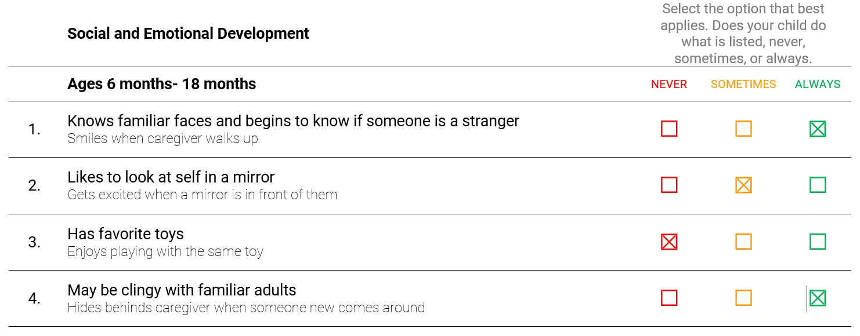
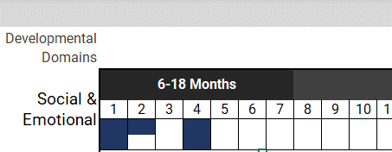

Step | 3 | Enter the childs demographic information. Name, date of adminstration, and age at time of administration.

Step | 4 | Change the color of the font in the Number of Milestones Met section to black or automatic to "uncover" their score for that adminstration. Manually count the number of emerging milestones and add to that column.

 |  |  | The milestone score will add up automatically - you just need to make sure to change the font color to black in that box to show the updated score.

